H15 (SEC 1)
Design of Built-up Welded (Compact/Non-Compact) Steel I sections

Section Dimensions |  | Flanges |  |  | Web |  |  |  | H 15 ( SEC 1) |  | Hint:
 |  | tf= | 3 | cm | tw= | 4 | cm |  |  |  | 1st trial Sx=Mu/(.75*Fy)= |  | -3969.84
 |  | b= | 40 | cm | hw= | 120 | cm |  | Length (cm) | 400 | Section Properties
 |  |  |  |  |  |  |  |  | NO fly bracing |  | Ix | 1483920 | cm4
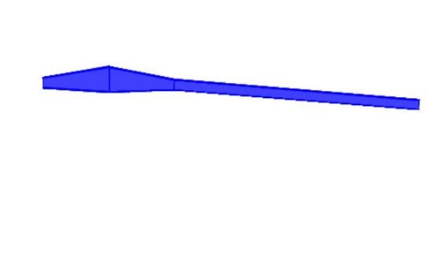
Material: |  |  |  | Geometry: |  |  |  |  |  |  | Iy | 32640 | cm4
H15
RAFTER-15
Steel Grade | St.37 |  |  | Lb= | 400 | cm |  |  |  |  | rx= | 45.40 | cm
 |  |  |  | Cb= | 1.300 |  |  |  |  |  | ry= | 6.73 | cm
Straining Actions: |  |  |  | Lbx= | 1201.5 | cm |  |  |  |  | A= | 720.00 | cm2
Mux= | -71.46 | t.m |  | Lby= | 400 | cm |  |  |  |  | Aw= | 504.00 | cm2
 |  |  |  | L= | 400 | cm |  |  |  |  | Sx= | 23554.29 | cm3
Qu= | 14.16 | t |  | Lh= | 400 | cm |  |  |  |  | Sy= | 1632.00 | cm3
Nu= | -3.33 | t |  |  |  |  |  |  |  |  | Zx= | 29280.00 | cm3
Tu= | 0 | t |  |  |  |  |  |  |  |  | Zy= | 2880.00 | cm3
 |  |  |  |  |  |  |  |  |  |  | rt= | 8.97 | cm
Flexure
(1) Local Buckling |  | Compact Flange |  | Compact Web |  | Compact Section |  |  |  |  | Mateial Properties
 |  |  |  |  |  |  |  |  |  |  | Fy= | 2.4 | t/cm2
(2) LTB |  |  |  |  |  |  |  |  |  |  | Fu= | 3.7 | t/cm2
 |  |  |  |  |  |  |  |  |  |  | E= | 2100 | t/cm2
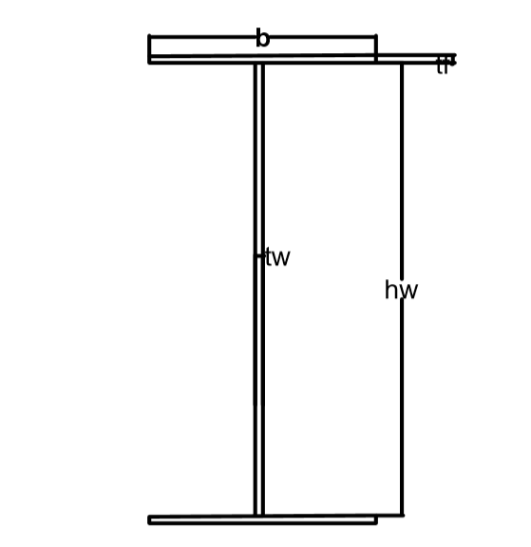
Lp= | 347.691 | cm
Lr= | 1281.193 | cm |  | Case B

Mn= | 702.72 | t.m | ≤ | Mp= | 702.72 | t.m
Фb*Mn= | 597.31 | t.m | D/C= | -0.120 | Safe for flexure about major axis

Axial Compression
λx= | 26.466 | ≤ | 180 |  | OK
λy= | 59.409 | ≤ | 180 | OK
λc= | 0.6393
Fcr= | 2.0234 | t/cm2
Pn= | 1456.81 | t
Фc*Pn= | 1165.45 | t | D/C= | -0.003 | Safe for axial compression

Axial Tension
(1) Stiffnes condition
λ= | 59.409 |  | ≤ | 300 |  | OK
Lh/60= | 6.667 |  | ≤ | h |  | OK

(2) Strenght condition
Pn= | 1728.00 | t
Фt*Pn= | 1468.8 | t | D/C= | 0.000 | Safe for yielding at tension

Combined (Normal Force + Flexure) |  |  |  |  |  | Shear Force
M+C | D/C= | -0.121 | Safe for combined M+C |  |  | Vn= | 725.76 | t
M+T | D/C= | -0.120 | Safe for combined M+T |  |  | Фv*Vn= | 616.90 | t
 |  |  |  |  |  | D/C= | 0.023
 |  |  |  |  |  | Safe for Shear

Safe

 | fy | fu
St.37 | 2.4 | 3.7
St.44 | 2.8 | 4.4
St.52 | 3.6 | 5.2

